Rectangular Structure
FLASYS DESIGN |  |  |  |  |  |  |  |  | Rev. 0
 | LIGHTNING PROTECTION SYSTEM
 | RISK ASSESSMENT SHEET AS PER (NFPA 780)
 | Project Details:
 | Project Name:

 | Project No.: |  |  |  | Building Name:
 | Abbreviations:
 | Nd | Yearly expected lightning strike frequency to the structure
 | Nc | Tolerable lightning strike frequency to the structure
 | Ng | Yearly average flash density in the region (fl/km2/year)
 | Ae | Equivalent collective area of the structure (km2)
 | C1 | Environmental coefficient
 | C2 | Structure Coefficient
 | C3 | Structure Contents Coefficient
 | C4 | Structure Occupancy Coefficient
 | C5 | Lightning Consequence Coefficient

 | Building Dimensions:
 | Length(L) (m): |  | 37.0 | Width(W) (m): |  | 60.0 | Height(H) (m): |  | 10.5

 | Collective Area Calculation (Ae):

 | Rectangular structure

 | Ae = | LW + 6H(L+W) + π 9 H2

 | Ae = | 11446.7 | m2

 | Determination of Location Factor (C1):

 | C1 | Relative Structure Location
 | 0.25 | Structure surrounded by taller structures or trees within a distance of 3H.
 | 0.5 | Structure surrounded by structures of equal or lesser height within a distance of 3H.
 | 1.0 | Isolated structure, with no other structures located within a distance of 3H.
 | 2.0 | Isolated structure on hilltop.

 | C1 = | 0.50

 | Determination of Average Flash Density (Ng):

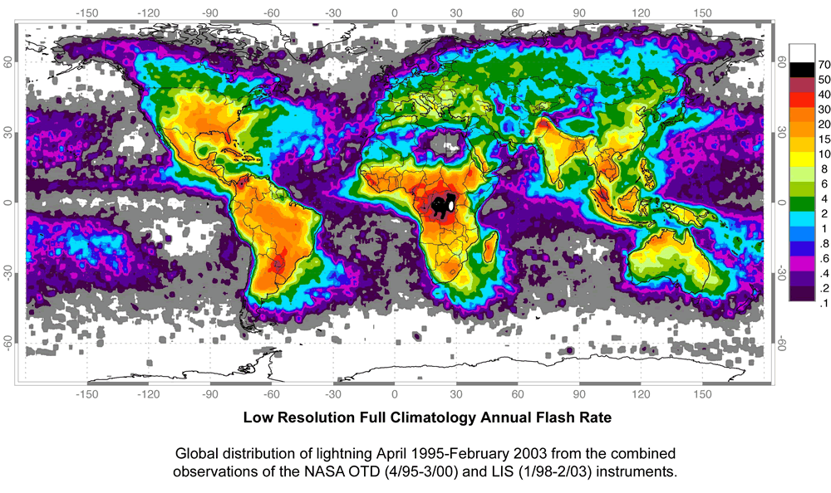

 | Reference : http://www.nasa.gov/centers/goddard/news/topstory/2004/0621lightning_prt.htm

 | Location: |  | ABU DHABI |  |  | Ng = | 10.0 | fl/km2/year

 | Calculation of Expected Lightning Strike Frequency (Nd):

 | Nd = | (Ng) x (Ae) x (C1) x 10 -6

 | Nd = | 0.0572 | event/year | .

 | Determination of Construction Coefficient (C2):

 |  |  | Roof Material
 | Structure Material |  | Metal |  | Nonmetallic |  | Combustible
 | Metal |  | 0.5 |  | 1.0 |  | 2.0
 | Nonmetallic |  | 1.0 |  | 1.0 |  | 2.5
 | Combustible |  | 2.0 |  | 2.5 |  | 3.0

 | C2 = | 1.0

 | Determination of Structure Contents Coefficient (C3):

 | C3 | Structure Contents
 | 0.5 | Low value and noncombustible.
 | 1.0 | Standard value and noncombustible.
 | 2.0 | High value, moderate combustibility.
 | 3.0 | Exceptional value, flammable liquids, computer or electronics.
 | 4.0 | Exceptional value, irreplaceable cultural items.

 | C3 = | 0.5

 | Determination of Structure Occupancy Coefficient (C4):

 | C4 | Structure Occupancy
 | 0.5 | Unoccupied.
 | 1.0 | Normally Occupied.
 | 3.0 | Difficult to evacuate or risk of panic.

 | C4 = | 1.0

 | Determination of Lightning Consequence Coefficient (C5):

 | C5 | Lightning Consequence
 | 1.0 | Continuity of facility services not required, no environmental impact.
 | 5.0 | Continuity of facility services required, no environmental impact.
 | 10.0 | Consequences to the environment.

 | C5 = | 1.0

 | Calculation of Tolerable Lightning Strike Frequency (Nc):

 | Nc = | 1.5 x 10 -3
 |  | (C2)(C3)(C4)(C5)

 | Nc = | 0.0030 | event/year

 | Risk Calculation:

 |  | if | Nd | ≤ | Nc | Hence, LPS May Be Optional
 |  |  | Nd | > | Nc | Hence, LPS Should Be Installed

 | Accordingly,

 |  |  | Lighting Protection System ( LPS )

 |  |  | Should Be Installed

